1 st yr
Academic Year 2022-2023
B.tech
Academic Year 2020-2021
Academic Year 2022-2023
2020-2021 | Category | Pre-1 | Post-1 | Post-2 |  | Category | Pre-1 | Post-1 | Post-2 | Post-3 | Post-4 |  |  | Category | Pre-1 | Post-1 | Post-2 | Post-3 | Post-4 | Post-5 | Post-6
 | Fast Learner | 0 | 14 | 22 | 2020-2021 | Fast Learner | 0 | 2 | 4 | 5 | 7 |  | 2022-2023 | Fast Learner | 0 | 2 | 4 | 5 | 8 | 11 | 14
 | Average Learner | 0 | 32 | 48 |  | Average Learner | 0 | 5 | 7 | 8 | 8 |  |  | Average Learner | 0 | 5 | 7 | 8 | 7 | 5 | 4
 | Slow Learner | 94 | 48 | 24 |  | Slow Learner | 20 | 13 | 9 | 7 | 5 |  |  | Slow Learner | 20 | 13 | 9 | 7 | 5 | 4 | 2

Academic Year 2021-2022
 |  |  |  |  |  | 2021-2022 | Category | Pre-1 | Post-1 | Post-2 | Post-3 | Post-4
2021-2022 | Category | Pre-1 | Post-1 | Post-2 |  |  | Fast Learner | 0 | 14 | 22 | 35 | 38
 | Fast Learner | 0 | 2 | 4 |  |  | Average Learner | 0 | 32 | 48 | 38 | 37
 | Average Learner | 0 | 11 | 16 |  |  | Slow Learner | 94 | 48 | 24 | 21 | 19
 | Slow Learner | 40 | 27 | 20

Academic Year 2022-2023
2022-2023 | Category | Pre-1 | Post-1 | Post-2
 | Fast Learner | 0 | 2 | 4
 | Average Learner | 0 | 5 | 7
 | Slow Learner | 20 | 13 | 9

Academic Year 2023-2024
 |  |  |  |  |  | 2023-2024 | Category | Pre-1 | Post-1 | Post-2
2023-2024 | Category | Pre-1 | Post-1 | Post-2 |  |  | Fast Learner | 0 | 6 | 10
 | Fast Learner | 0 | 6 | 10 |  |  | Average Learner | 0 | 18 | 22
 | Average Learner | 0 | 18 | 22 |  |  | Slow Learner | 51 | 27 | 19
 | Slow Learner | 51 | 27 | 19

B.Tech
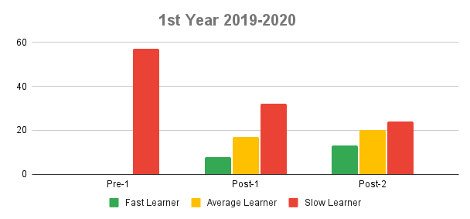
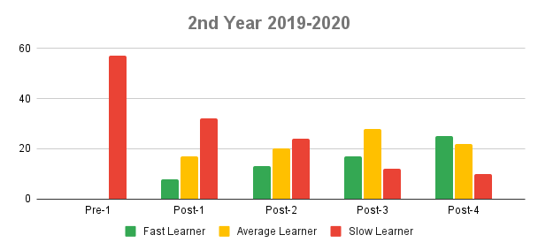
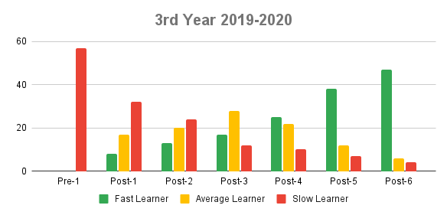

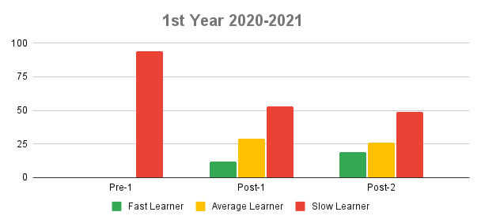
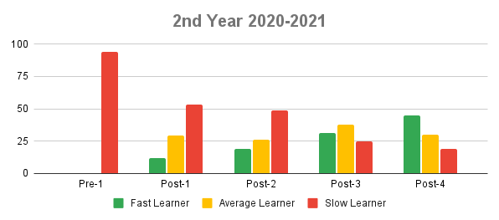
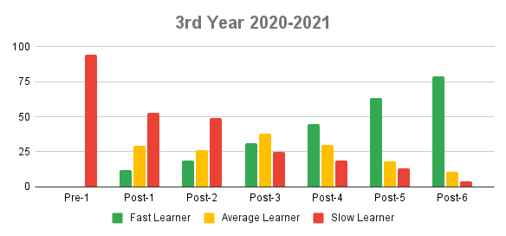

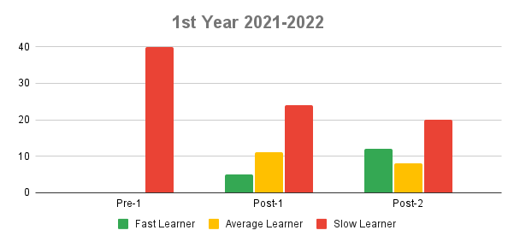
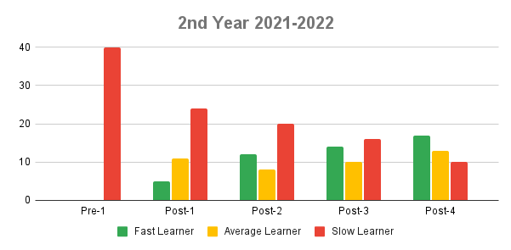
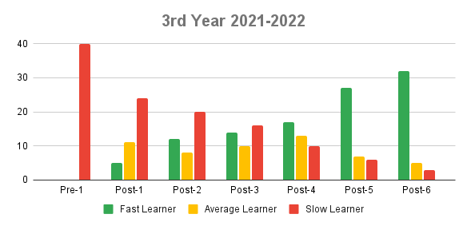

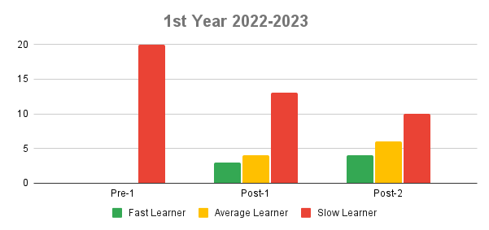
2nd Year 2022-2023
 | Fast Learner | Average Learner | Slow Learner
3rd Year 2022-2023
 | Fast Learner | Average Learner | Slow Learner

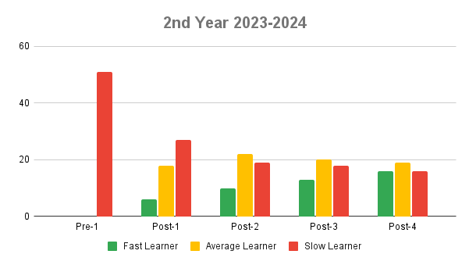
1st Year 2023-2024
 | Fast Learner | Average Learner | Slow Learner
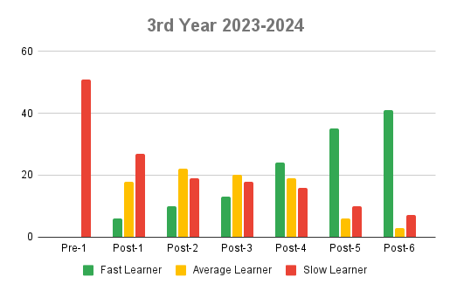

M.Tech.
